Instructions
How to use this Document:
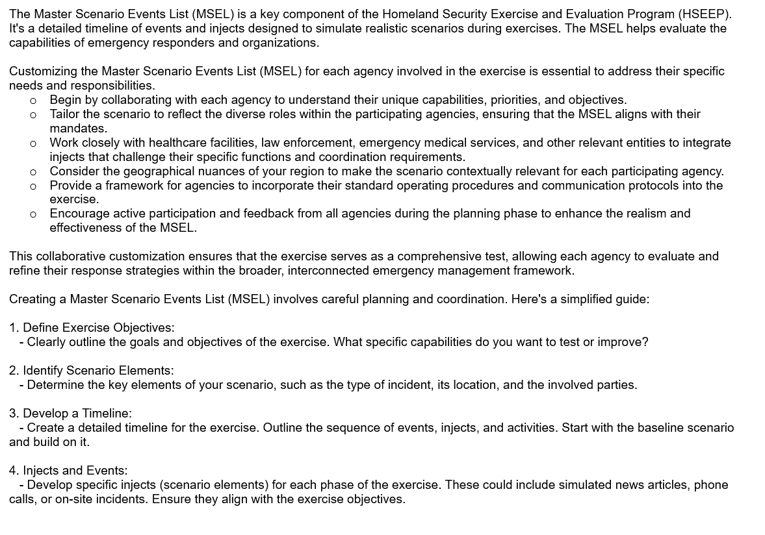

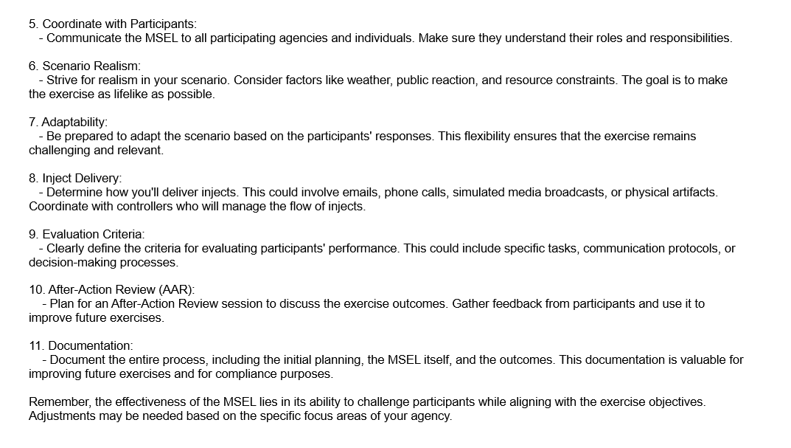

Inject # | Time* | Key | From* | To* | Method | Venue | Message/Task* | Expected Action* | Script (if applicable) | Controller Notes/Remarks | Source of Inject | Objective(s)* | Requirements | Time Initiated?
Inject #: A numerical ordering of all injects presented. | Time: The time during the exercise at which the inject is supposed to take place and/or be delivered. | Key: This optional column indicates injects that are critical to the progress of the exercise. Each "X" will indicate a key event during exercise play. | From: The sender or source of the inject. Include whether or not delivered by the SimCell or in Exercise Play. Can include specifics on who will deliver this inject. | To: The recipient (person, organization, role) of the inject. | Method: How the inject will be delivered, e.g., verbally, by phone, by an overhead page, through email, etc. | Venue: This optional column indicates the area of the exercise where the inject is taking place or will be delivered. | Message/Task: A summary of the event, milestone, or message that is prompted by this inject. OPTIONAL: Include Script: If the Simulation Cell (SimCell) or a Controller is meant to deliver the inject via phone, in person, or through an actor, this column provides a sample script for the Controller/SimCell staff member/actor to use | Expected Action: A list of the expected outcomes based on the prompted inject. Ideally, each responder will have an expected action during the drill. | Script: This optional column indicates if the Simulation Cell (SimCell) or a Controller is meant to deliver the inject via phone, in person, or through an actor, this column provides a sample script for the Controller/SimCell staff member/actor to use. | Controller Notes/Remarks: This optional section leaves space for Controller notes and directions, e.g., evaluation criteria, potential obstacles, or exercise logistics associated with the inject. | Designer: This refers to the author or original source of the inject. This may come in handy when multiple people are working on a single MSEL, or multiple facilities are submitting injects for exercise play. | Objective(s): The exercise objective(s) that are tested specifically by the inject and the expected actions indicated. | Joint Commission #: This column is a helpful, optional reference for healthcare planners who may need to meet Joint Commission accreditation requirements with their exercise, and can list any applicable references for each inject. CMS Requirements: HCC Requirements: | Time Initiated: This column is meant to be filled out during the exercise by a Controller or Evaluator, noting the actual time that each inject is delivered.
The template for the Master Scenario Events List is broken up into the tabs labeled Instructions, MSEL FAQ, Pre-Exercise, Exercise Play, and Post-Exercise Activities at the bottom left hand corner of your screen. The tabs contain sample injects/activities, these are customizable. Injects that are not applicable to your jurisdiction/organization/agency should be removed. All Controllers and Evaluators are to note actual times and significant events on these MSELs and turn them into Disaster Coordinator at the conclusion of the exercise.

